NJ EMP GHG Charts
2020 NJ Energy Management Plan GHG Reduction Chart:
https://www.nj.gov/emp/docs/pdf/2020_NJBPU_EMP.pdf
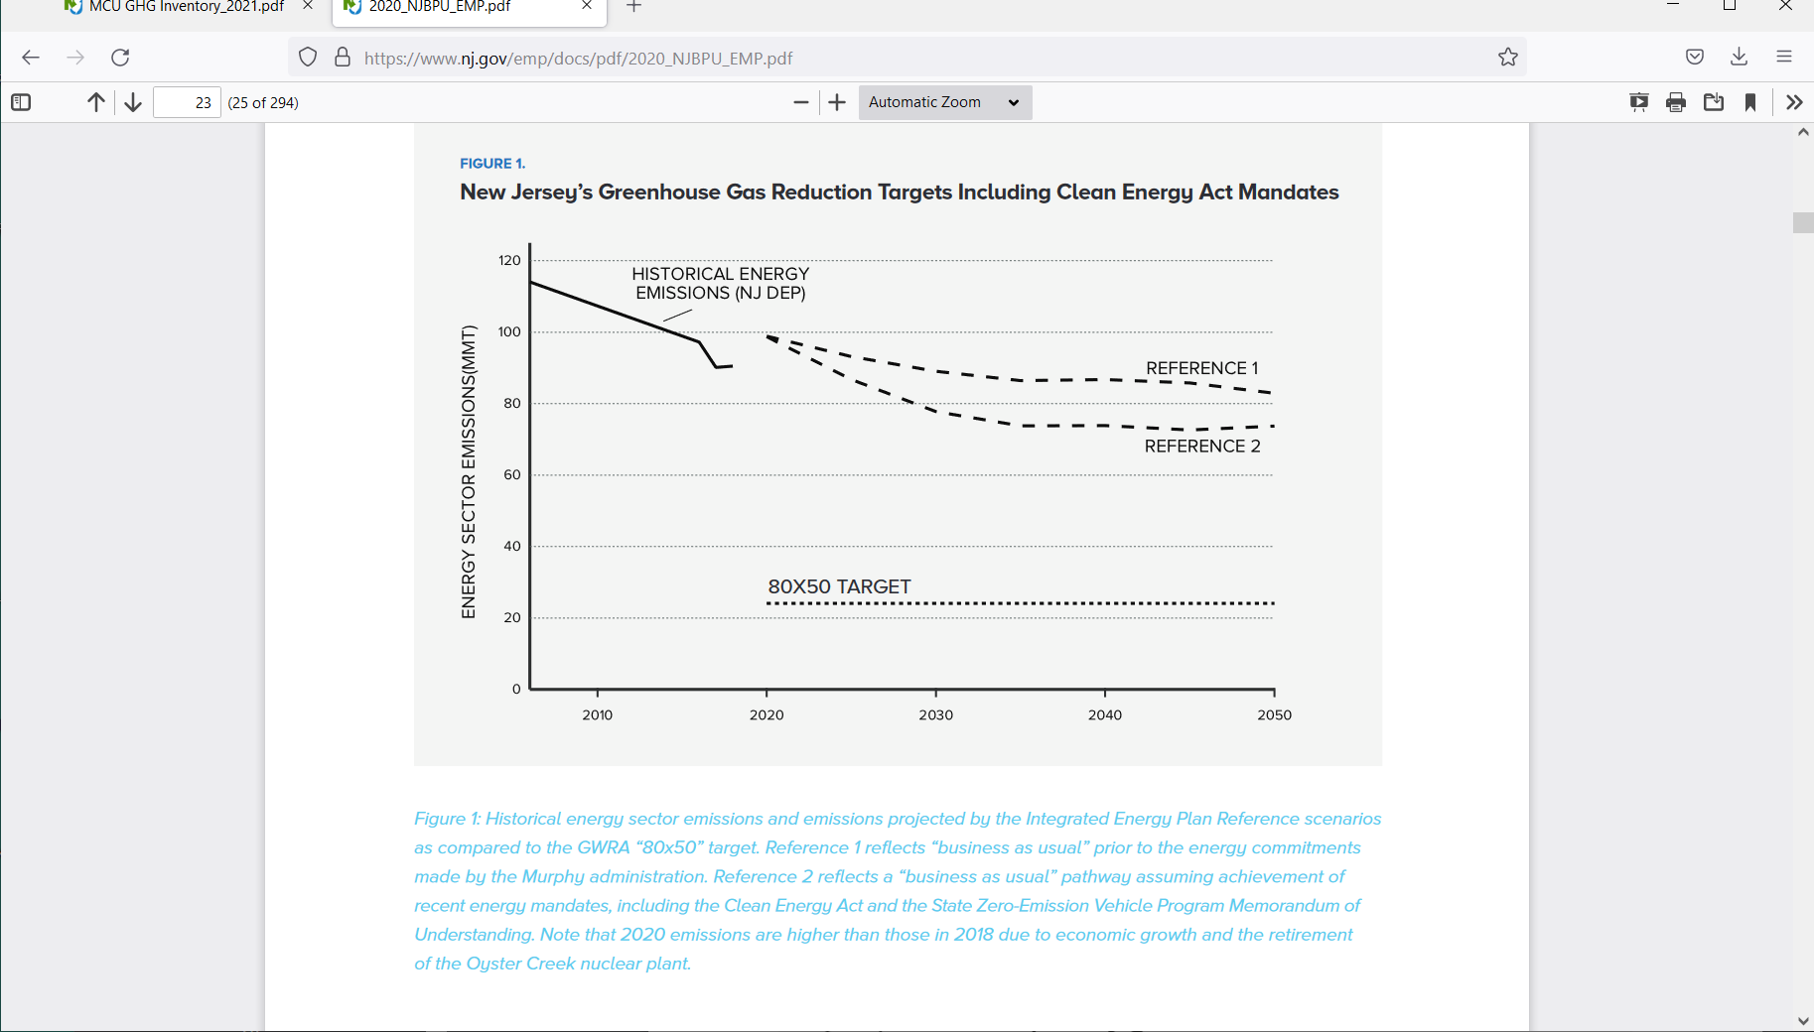

2019 Emissions Bar Chart:
Reference: | https://nj.gov/dep/aqes/ghgarchive/MCU%20GHG%20Inventory_2021.pdf
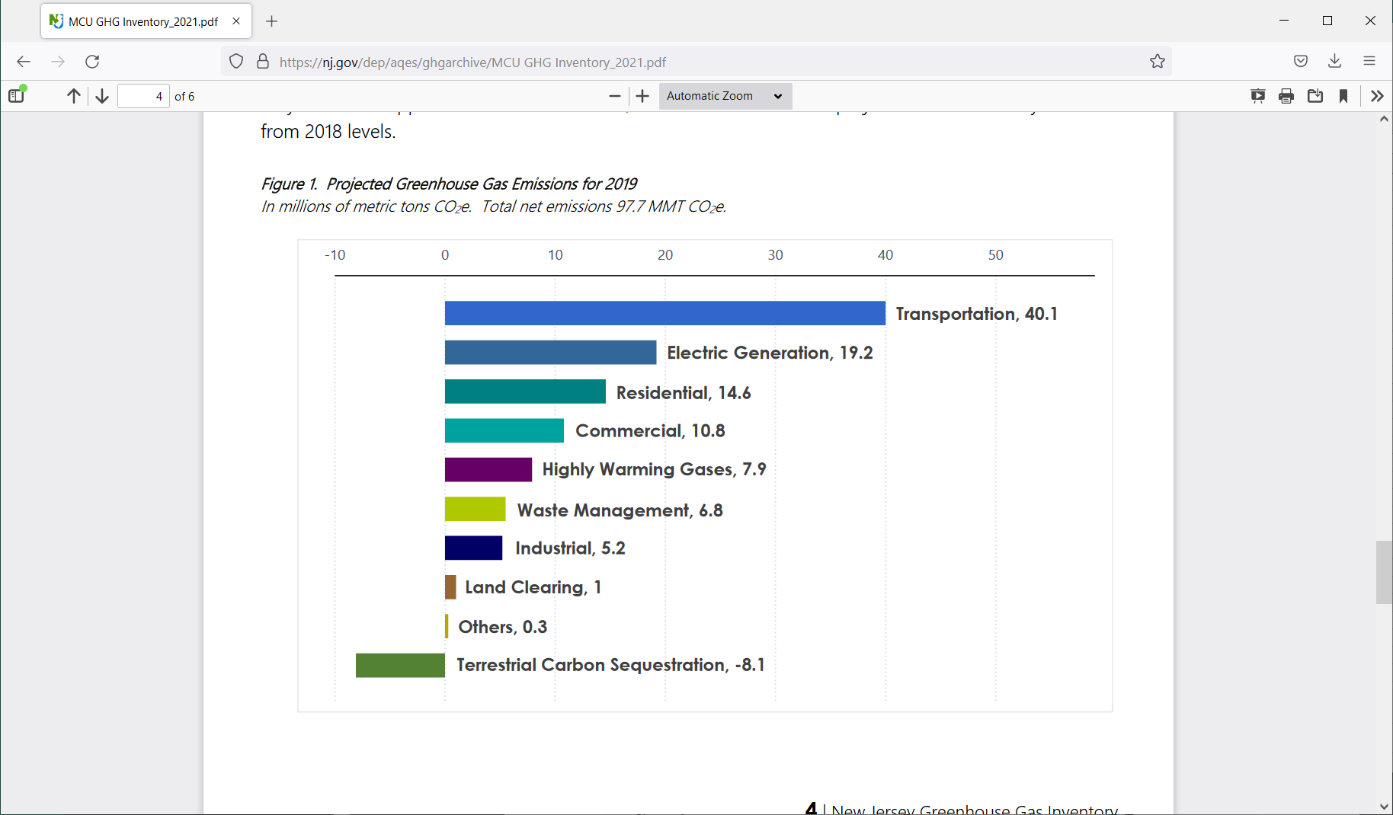

MassComparisonRef
https://www.mass.gov/doc/interim-clean-energy-and-climate-plan-for-2030-december-30-2020/download

